Sheet2
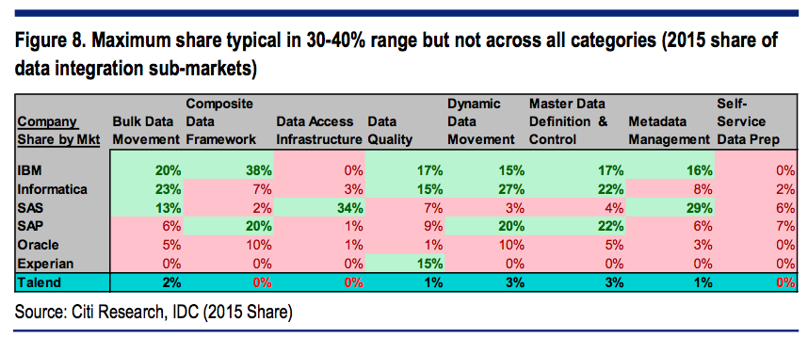

 |  | Bulk Data Mvmt | Composite data framework | Data access infra | Data quality | Dynamic data mvmt | Master data def & control | Metadata Mgmt | Self-service data prep | TOTAL
Market size | 2015 | 1,272 | 703 | 756 | 1,143 | 507 | 427 | 169 | 76 | 5,053
 | 2020E | 1,691 | 1,676 | 740 | 1,034 | 831 | 793 | 423 | 362 | 7,550
 | CAGR | 6% | 19% | 0% | -2% | 10% | 13% | 20% | 37% | 8%
 | Incremental | 419 | 973 | (16) | (109) | 324 | 366 | 254 | 286 | 2,497
2015 share | IBM | 20% | 38% | 0% | 17% | 15% | 17% | 16% | 0% | 18%
 | Informatica | 23% | 7% | 3% | 15% | 27% | 22% | 8% | 2% | 15%
 | SAS | 13% | 2% | 34% | 7% | 3% | 4% | 29% | 6% | 12%
 | SAP | 6% | 20% | 1% | 9% | 20% | 22% | 6% | 7% | 11%
 | Oracle | 5% | 10% | 1% | 1% | 10% | 5% | 3% | 0% | 5%
 | Experian | 0% | 0% | 0% | 15% | 0% | 0% | 0% | 0% | 3%
 | Talend | 2.0% | 0.0% | 0.0% | 1.0% | 3.0% | 3.0% | 1.0% | 0.0% | 1.3%
 | Others | 31% | 23% | 61% | 35% | 22% | 27% | 37% | 85% | 35%
2015 rev | IBM | 254 | 267 | - | 194 | 76 | 73 | 27 | - | 892
 | Informatica | 293 | 49 | 23 | 171 | 137 | 94 | 14 | 2 | 782
 | SAS | 165 | 14 | 257 | 80 | 15 | 17 | 49 | 5 | 602
 | SAP | 76 | 141 | 8 | 103 | 101 | 94 | 10 | 5 | 538
 | Oracle | 64 | 70 | 8 | 11 | 51 | 21 | 5 | - | 230
 | Experian | - | - | - | 171 | - | - | - | - | 171
 | Talend | 25 | - | - | 11 | 15 | 13 | 2 | - | 67 | 3.86
 | Others | 394 | 162 | 461 | 400 | 112 | 115 | 63 | 65 | 1,771 |  |  |  | 2
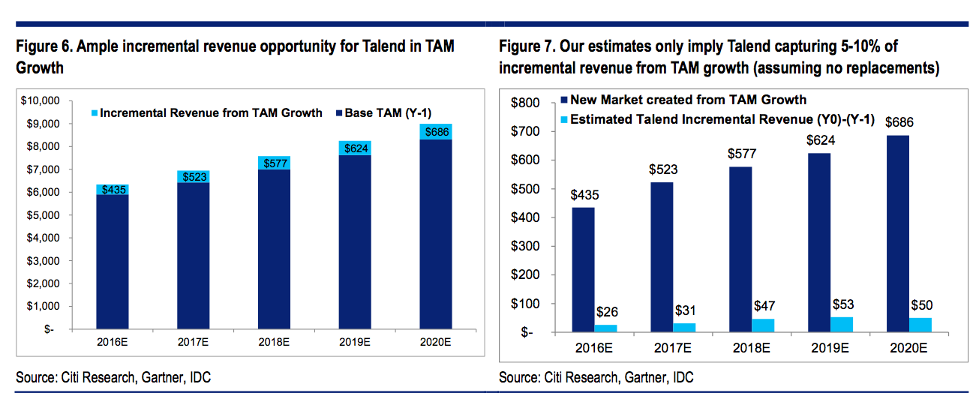
 |  |  |  |  |  |  |  |  |  |  | Base |  | Bear | Base | Bull
Talend 2015-2020 incremental | Incr. shr | 9% | 8.5% |  | 8.5% | 8.5% | 8.5% | 8.5% | 8.5% |  | 8.5% |  | 5% | 10% | 15%
 | Revenue | 36 | 83 | - | - | 28 | 31 | 22 | 24 | 223 |  | Probability | 10% | 70% | 20%
Talend 2020 total share | Total share | 3.6% | 4.9% | 0.0% | 1.1% | 5.1% | 5.5% | 5.5% | 6.7% | 3.8% |  |  | 1 | 2 | 3
 | Total subs rev |  |  |  |  |  |  |  |  | 289 |  | 29.354864384 | 29.354864384 | 29.354864384 | 29.354864384
Market size | 2015 | 1,272 | 703 | 756 | 1,143 | 507 | 427 | 169 | 76 | 5,053 |  |  | 19 | 34 | 50
 | 2016 | 1,347 | 836 | 753 | 1,120 | 560 | 483 | 203 | 104 | 5,406 | 353 |  | 1.9 | 23.8 | 10 | 35.7
 | 2017 | 1,425 | 995 | 750 | 1,098 | 618 | 547 | 244 | 142 | 5,819 | 413
 | 2018 | 1,509 | 1,184 | 746 | 1,076 | 682 | 619 | 293 | 194 | 6,304 | 485
 | 2019 | 1,597 | 1,409 | 743 | 1,055 | 753 | 701 | 352 | 265 | 6,875 | 571
 | 2020 | 1,691 | 1,676 | 740 | 1,034 | 831 | 793 | 423 | 362 | 7,550 | 675

Market increase |  | 75 | 133 | (3) | (23) | 53 | 56 | 34 | 28 | 353
 |  | 79 | 159 | (3) | (22) | 58 | 64 | 41 | 38 | 413
 |  | 84 | 189 | (3) | (22) | 64 | 72 | 49 | 52 | 485
 |  | 88 | 225 | (3) | (21) | 71 | 82 | 59 | 71 | 571
 |  | 94 | 267 | (3) | (21) | 78 | 92 | 71 | 97 | 675

 | 2016 | 6.34 | 11.34 | - |  | 4.48 | 4.78 | 2.89 | 2.37 | 32.20 | 88.63
 | 2017 | 6.71 | 13.49 | - |  | 4.94 | 5.41 | 3.48 | 3.23 | 37.26 | 125.89
 | 2018 | 7.10 | 16.05 | - |  | 5.45 | 6.13 | 4.18 | 4.42 | 43.33 | 169.22
 | 2019 | 7.52 | 19.10 | - |  | 6.02 | 6.94 | 5.02 | 6.04 | 50.63 | 219.85
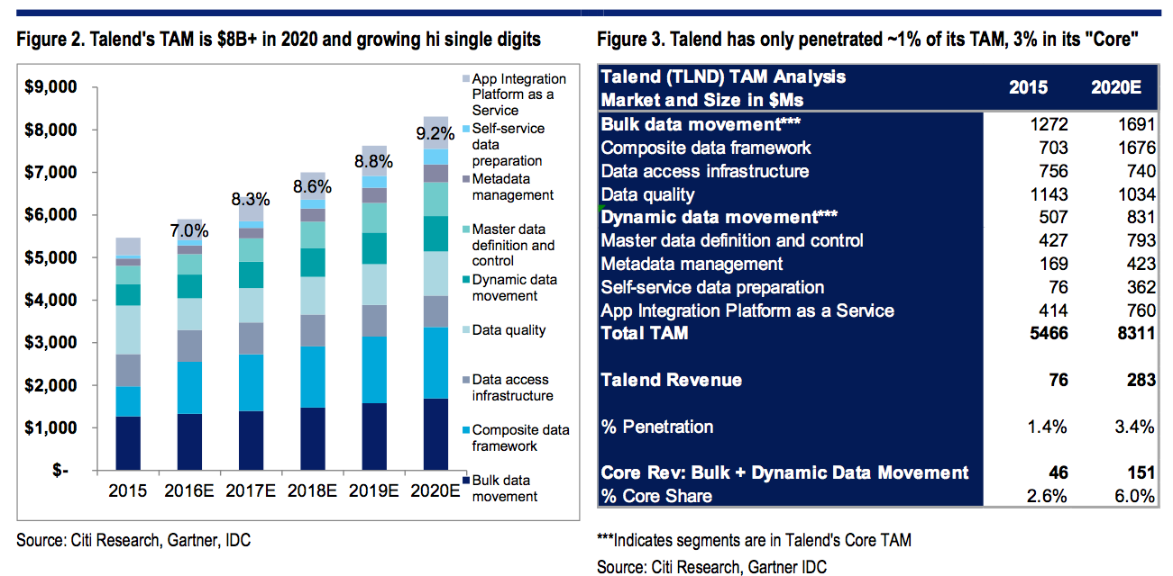
 | 2020 | 7.96 | 22.72 | - |  | 6.65 | 7.85 | 6.03 | 8.25 | 59.45 | 279.30

